1. Title Page
[Instacart Basket Analysis]

Project Name: Instacart Basket Analysis
Date: January 2021
Analyst Name: Julie Spigner

Contents:
Population Flow
Consistency checks
Wrangling steps
Column derivations
Visualizations
Recommendations

2. Population Flow
Title page

Population flow

Exclusion flag
Condition: max_order <
Obervations to be removed:
Final total count of order_products_all:

Orders_products_combined
Orders_products_merged
Orders_products_all

Total: 32,404,859
Total: 32,434,489
Total: 32,404,859

1.) The grey boxes in the first row of the population flow represent the original data sets as they were when you downloaded them. In the Total fields you need to add the count of the rows when you imported the data set into Jupyter.
2.) The second row of boxes (coloured) represents the data sets after you manipulated them, e.g., removed missing values and duplicates. In the Total fields you need to add the count of the rows after conducting these operations. This offers a visual oveview of how the data flows throughout the data consistency checks.
3.) The third row, where also the arrows are coloured, represents the merges you performed between the datasets. In the Total fields you need to add the count of the rows in the merged datasets, so that you end up with the final dataset (in the red box). Keep in mind the final dataset should be without exclusions (based on the exclusion flag).

3. Consistency checks
 |  |  |  | Title page
Consistency checks

Dataset | Missing values | Missing values treatment | Duplicates
orders | days_since_prior_order | All orders with the number 1 had values of 0. This is not missing or an error; there is no previous orders prior the first order. | None
products | None | None | None
orders_products_prior | None | None | None
customers | first_name | There are 11,259 missing values in first_name. Everything else is accounted for. Left this alone as NaN. | No duplicates

4. Wrangling steps
 |  |  |  | Title page
Wrangling steps

Columns dropped | Columns renamed | Columns' type changed | Comment/Reason
eval_set |  |  | Not needed in analysis
add_to_cart_order |  |  | Not needed in analysis
reordered |  |  | Not needed in analysis
_merge |  |  | Not needed in analysis
busiest_days |  |  | Not needed in analysis
first_name |  |  | PII data - use user_id instead
last_name |  |  | PII data - use user_id instead
date_joined |  |  | Not needed in analysis
 | nbr_of_dependents |  | Changed due to spelling or grammar error
 | gender |  | Changed due to spelling or grammar error
 | state |  | Changed due to spelling or grammar error

5. Column derivations
 |  |  |  | Title page

Column derivations and aggregations

In this tab you should add tables below that the frequences of flags/label variables that you produced after deriving them. NB: don't do this for continuous variables, only for flags.
Dataset | New column | Column/s it was derived from | Conditions
ords_prods_derived.pkl | price_range_loc | prices | Classifying high-range products, mid-range products, and low-range products
ords_prods_derived.pkl | busiest_day | order_day_of_week | Classifying busiest days, regularly busy days, and least busy days
ords_prods_derived.pkl | busiest_days | order_day_of_week | Classifying top two busiest days, normal days, and bottom two slowest days
ords_prods_derived.pkl | orders_loc | order_hour_of_day | Classyifing most orders, average orders, and lowest orders
ords_prods_derived.pkl | max_order | user_id and order_number | Created this for another new column loyalty_flag to show max values of orders
ords_prods_derived.pkl | loyalty_flag | max_order | Classifying regular customers, loyal customers, and new customers
ords_prods_derived.pkl | spending_flag | spending_habits | Classifying high spenders and low spenders
ords_prods_derived.pkl | order_freq_flag | ordering_habits | Classifying frequent customers, regular customers, and non frequent customers

6. Visualizations
 |  |  |  |  |  |  |  | Title page

Visualisations

In this tab you should include all the visualtions from Exercises 4.9 and 4.10, alongside the questions from the project brief that they answer. Include any commentary on the relationship between different variables.

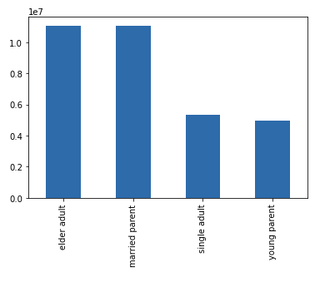 |  | 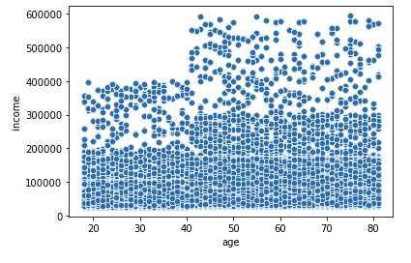 |  | 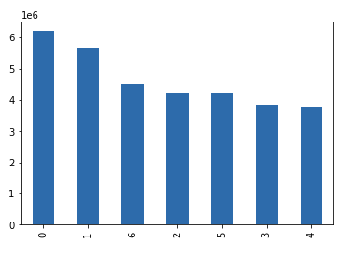 |  | 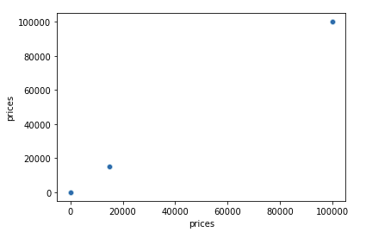 |  | 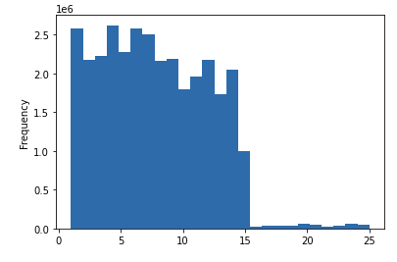

 | Figure 1. This is a bar chart of customer profiles based on a user-defined function to establish critieria and categorize each user in the system. |  | Figure 2. The scatterplot have mutiple data points. In fact, this scatterplot shows all data points in the dataframe. Most customers' income are at or below 30,000 across all age groups. The income max for customers under 40 is under 41,000. Customers with an income of 60,000 are in the 41-80 age range. However, descriptive stats show some misleading aggregation in regards to income mean and median due to potential income outliers. Regarding to outliers, it is possible that some customers fill in income as combined income instead of their own individual income. There are 101,623 records of customers with an income exceeding 300,000. There are 3 million records in the dataframe which means 29% of the customers in the dataframe earn 300,000 or more and this defines their spending power. |  | Figure 3. This bar chart displays customers' shopping habits on Instacart. Numeric markers on the y-axis represent frequency. Numeric markers on the x-axis represent days of week. |  | Figure 4. There are 5,127 records (outlier observations) with prices exceeding the 100 dollars threshold. Outlier observations don't make sense in terms of the other values listed in the dataframe. Check on prices and identify high-priced products. |  | Figure 5. Most products are between 1 and 15 dollars while a few are higher priced between 15 and 25 dollars.
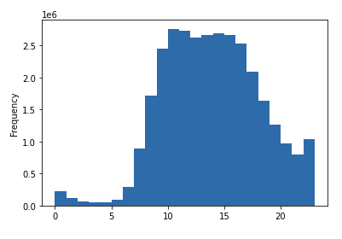
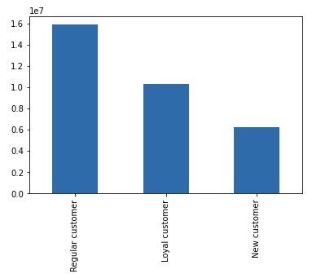
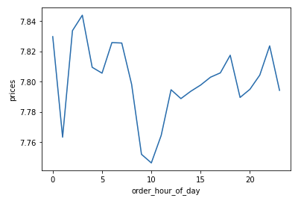
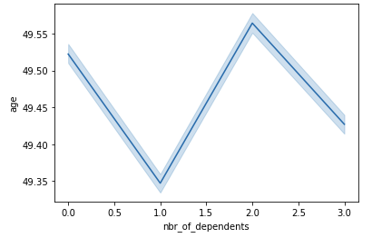

 | Figure 6. Numeric markers on the x-axis represent hour of the day in a 24H clock. Most orders occur between 0900 (9:00 a.m.) and 1500 (3:00 p.m.). Fewer orders are placed in the evening hours betweem 1600 and 2000 (4:00 - 8:00 p.m.). Fewest orders are the hours in between evening and morning which makes sense because 1) most people are sleeping during those hours and 2) most grocery stores are closed at this time. |  | Figure 7. Customer profiles. Regular customers make up roughly half of the database. New customers and loyal customers combined together make up the other half. A bar chart has been created to visualize the distribution of orders among customers in terms of loyalty using the 'loyalty_flag' column. Regular customers contributed to most of the sales. Loyal customers recieve special membership perks so they recieve some discounts in their sales. New customers are first-timers or sproadic shoppers based on x number of days in between last order and most recent order in another column (not seen in the bar chart). |  | Figure 8. The hours in a day are on the bottom (x-axis) and the range of product prices is on the left (y-axis). The blue line represents how prices differ depending on the hour in a day. The peak at 1100 (11:00 a.m.) means that most money is spent at this time of day which makes sense since this is when most customers gather food to eat for lunch (normal lunch time is at noon) or grab lunch and buy groceries for future meals at the same time. There are no error bands circling the blue line. |  | Figure 9. Number of dependents in families are visible on the bottom (x-axis). Parents' age are visible on the left (y-axis). The blue line demonstrates customers' demographics by exploring the relationship between parents' age and number of children they have. Most customers who are parents at the age of 49 have 2 children or less. There are small error bands around the blue line which means this the predictablity is strong in customers' familial demographics.

 |  |  |  |  |  |  |  |  |  | Figure 8.

7. Recommendations
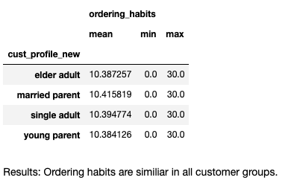
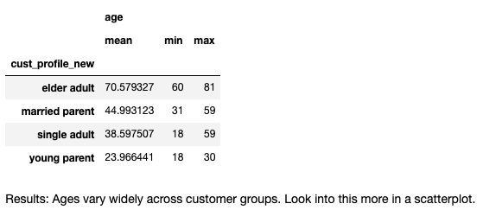
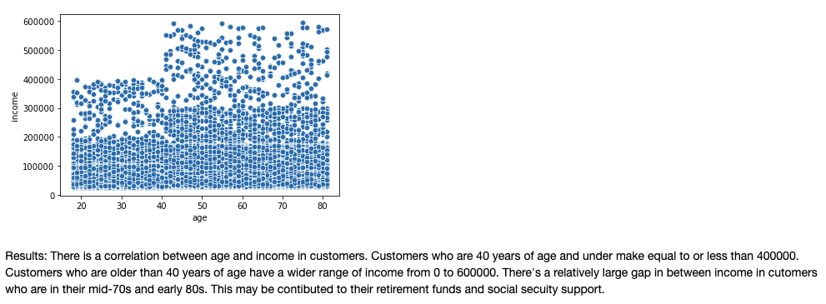
 |  |  | Title page

Recommendations

In this tab you should include any recommendations you would made to Instcart in terms of their marketing strategy based on the questions posed in the brief. Every key question has been covered in the Tasks of the Exercises - here you need to add an item - a visualisation or table/crosstable that is showing the answer in the data, acompanied by a comment from you. Please, list the questions below and add the answer underneath.

Question |  | Answer
Key Question 1 |  | The top two busiest days of the week are Sunday and Monday. Most busy times on most days are between 1000 and 1400 (10am to 2pm). The days and times with most orders are Sundays from 1100 to 1200 (11am-12pm). The least busy days to push marketing for more orders would be Wednesdays (second least busy) and Thursdays (least busy).
Key Question 2 |  | Lunchtime is the best time; most orders on most days occur between 1000 and 1400.
Key Question 3 |  | The five most popular produce items are as followed in order of rank: banana, bag of organic bananas, organic strawberries, organic baby spinach, and organic hass avocado. Organic whole fruits are the hottest items. However, diary and eggs lead the most in sales compared to other departments.
Key Question 4 |  | The distribution among users in regards to their brand loyalty is 1 out of 3. This is consistent throughout customer profiles.
Key Question 5 |  | Single adults make the most purchases compared to other customers.
Key Question 6 |  | Differences in ordering habits among regions appear to be similar.
Key Question 7 |  | Yes, there is a connection between number of dependents and family status in terms of ordering habits. The only customers who don't have dependents are either divorced, widowed or single. Married couples have at least 1 number of dependents as well as customers who live with parents and or sibilings.

Recommendations
1 | Allow family-friendly shopping hours to spread out the time of day across the week for families and elder adults. This way, more families and elder adults will visit more frequently and this will increase sales during slow hours.
2 | Since the top 5 purchases are organic fruits/vegetables, invest in promoting more organic produce to attract new customers to become loyal customers and to increase newcoming customers.
3 | Schedule 'low-cost' hours during slow hours to increase orders from customers and market produce items at a lower cost during slow hours. Advertise this time as 'savings' hours to appeal to customers.
4 | Review prices on high-priced products (an error was found in the dataframe), and identify product items that are reordered mutiple times on a monthly basis.

Results
See 6. Visualizations

